Sheet1
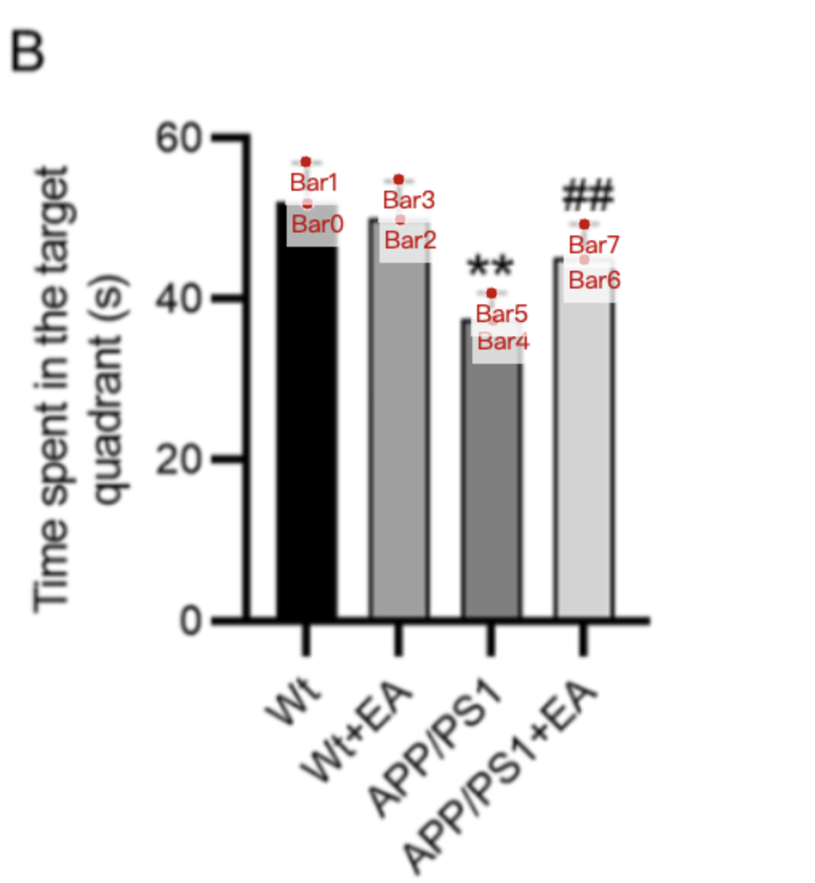
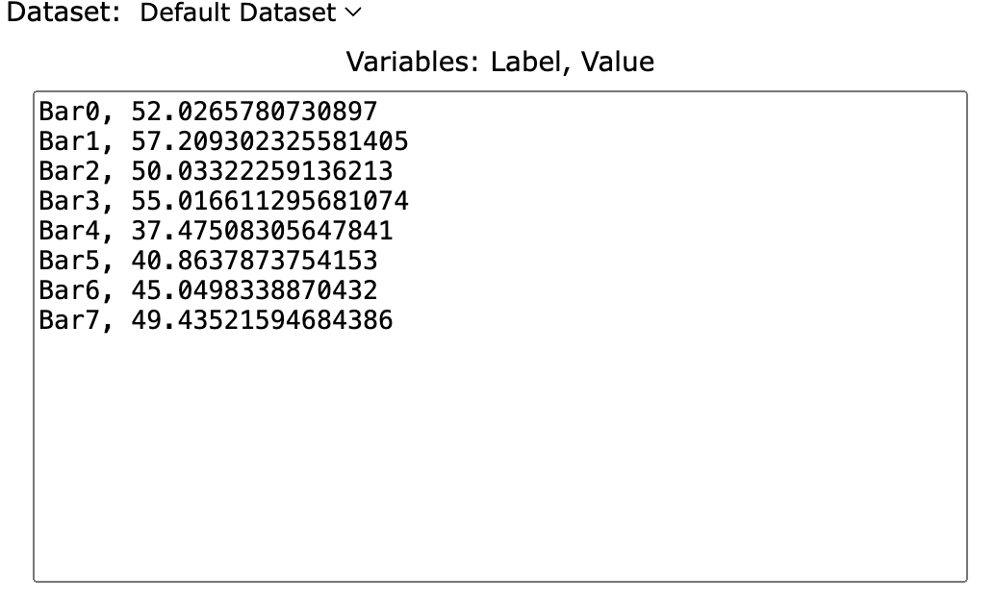
Treatment Groups | WT_time_spent_in_target_quadrant | WT+EA_time_spent_in_target_quadrant | APP/PS1_time_spent_in_target_quadrant | APP/PS1+EA_time_spent_in_target_quadrant
mean | 52.026578073 | 50.033222591 | 37.475083056 | 45.049833887
sd | 5.182724252 | 4.983388704 | 3.388704319 | 4.38538206
mean+sd | 57.209302326 | 55.016611296 | 40.863787375 | 49.435215947

